TEST_SUIT
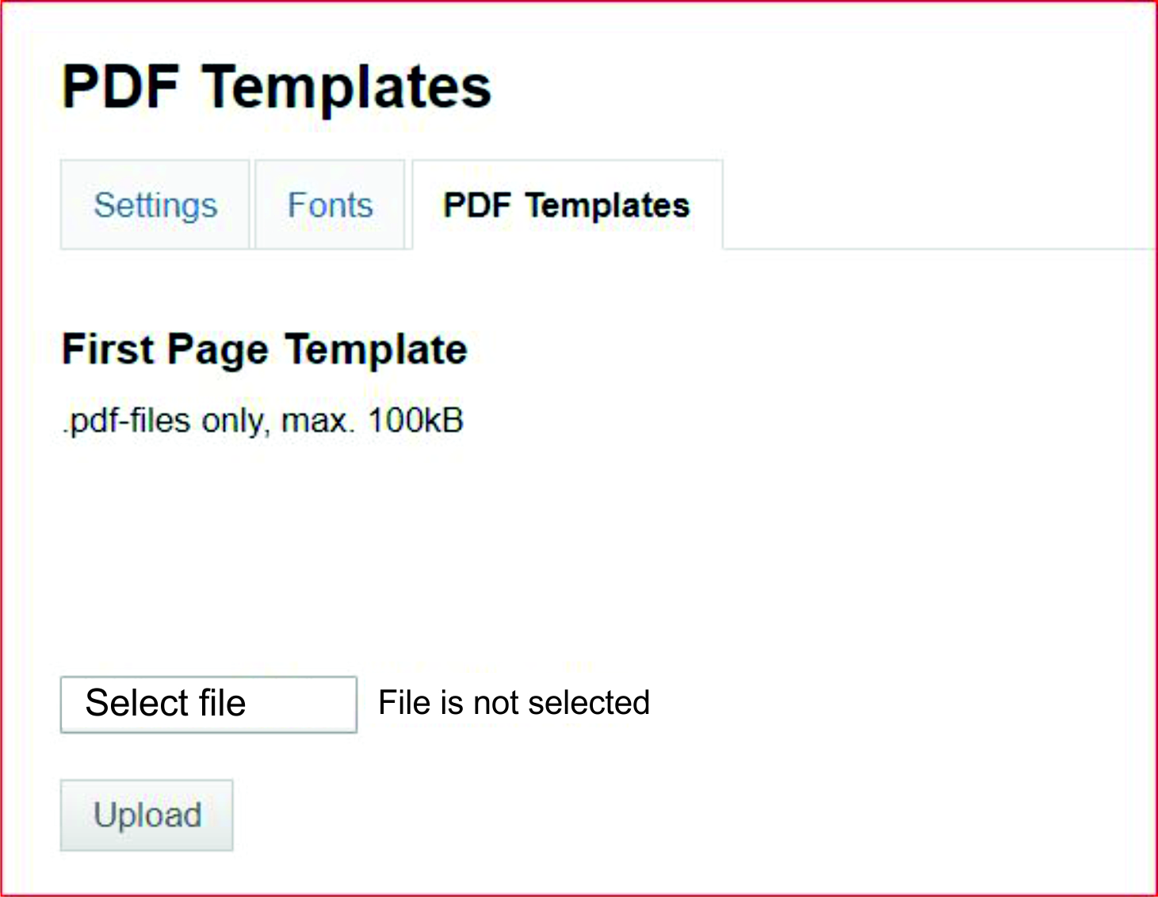
Test-suit PDF Templates |  |  |  |  | Данный функционал позволяет загрузить шаблон пдф документа для отображения на 'First Page Template' странице. Выбор загружаемого файла осуществляется через кнопку 'Select file'. Необходимо сделать проверку загрузки файла на страницу через нажатие кнопки 'Upload'.
ID | SUMMARY | DESCRIPTION | EXPECTED RESULT | ATTACHMENTS/COMMENTS
PDF_1 | Selection dialog opened after clicking "Select file" button | STR: 1. Click on "Select file" button. | 1. Selection dialog should open.
PDF_2 | Uploading .pdf file, correct size | Precondition: Prepare PDF_Template.pdf file size 99kB. STR: 1. Click on "Select file" button 2. Select PDF_Template.pdf file 3. Click on "Upload" button | 1. Selection dialog should open. 2. File is selected, file name and extension are displayed in the text box to the right of the file selection button. 3. File has been successfully uploaded and displayed on First Page Template. | PDF_Template_99kB.pdf
PDF_3 | Uploading .pdf file, max size | Precondition: Prepare PDF_Template.pdf file size 100kB. STR: 1. Click on "Select file" button 2. Select PDF_Template.pdf file 3. Click on "Upload" button | 1. Selection dialog should open. 2. File is selected, file name and extension are displayed in the text box to the right of the file selection button. 3. File has been successfully uploaded and displayed on First Page Template. | PDF_Template_100kB.pdf
PDF_4 | Uploading .pdf file min size | Precondition: Prepare PDF_Template.pdf file size 0,001kB. STR: 1. Click on "Select file" button 2. Select PDF_Template.pdf file 3. Click on "Upload" button | 1. Selection dialog should open. 2. File is selected, file name and extension are displayed in the text box to the right of the file selection button. 3. File has been successfully uploaded and displayed on First Page Template. | PDF_Template_0,001kB.pdf
PDF_5 | Select file by drag and drop options | Preconditon: Create .pdf file with correct size and save on your local storage STR: 1. Select file from your local storage 2. Drag selected file and drop on "Select file" button field | 1. File selected 2. File has been successfully selected, file name and extension are displayed in the text box to the right of the file selection button.
PDF_6 | Uploading emty .pdf file | Precondition: Prepare PDF_Template.pdf file size 0kB. STR: 1. Click on "Select file" button 2. Select PDF_Template.pdf file 3. Click on "Upload" button | 1. Selection dialog should open. 2. File is selected, file name and extension are displayed in the text box to the right of the file selection button. 3. File has been successfully uploaded and displayed on First Page Template. | PDF_Template_EMPTY.pdf
PDF_7 | Uploading .pdf file with greater size than the max | Precondition: Prepare PDF_Template.pdf file size 101kB. STR: 1. Click on "Select file" button 2. Select PDF_Template.pdf file 3. Click on "Upload" button | 1. Selection dialog should open. 2. File is selected, file name and extension are displayed in the text box to the right of the file selection button. 3. Proper message that the file size is incorrect should be displayed | PDF_Template_101kB.pdf
PDF_8 | Select multiple file in "Select file" dialog box | Precondition: Prepare at least 2 .pdf files. STR: 1. Click on "Select file" button 2. Select all prepared files | 1. Selection dialog should open. 2. The selection dialog box should not allow to select multiple files and displayed a proper message. | If the Select dialog box allows to select multiple files, the first selected file must be the default uploaded ?
PDF_9 | Replacing existing PDF Template | Precondition: 1. Prepare two different .pdf files with correct size 2. Select and Upload first file STR: 1. Click on "Select file" button 2. Select second prepared file 3. Click on "Upload" button. | 1. Selection dialog should open. 2. File is selected. 3. Second file has been successfully uploaded and replace the first file on First Page Template .
PDF_10 | Uploading a file with a different extension than .pdf | Precondition: Prepare a file with different extension than .pdf. STR: 1. Click on "Select file" button 2. Select prepared file | 1. Selection dialog should open. 2. Proper message should be displayed that wrong file extension | If there is no validation to check the file type in the Selection dialog box, check files with the most common extensions.
PDF_11 | "Upload" button switch condition to active(clickable) if file is selected | STR: 1. Click on "Select file" button 2. Select file | 1. Selection dialog should open. 2. "Upload" button change text color on button to black and condition to clickable
PDF_12 | Re-select file to uploading | Precondition: Prepare two .pdf files Click on "Select file" button and select first file STR: 1. Click on "Select file" button 2. Select second file | 1. Selecting dialog should open 2. Second file has been successfully selected, file name with extension should displayed in text box on the right of select file button field instead of first file.
PDF_13 | Uploading after redirect on other page | Precondition Prepare .pdf file correct size STR: 1. Click on "Select file" button 2. Select file 3. Click on "Settings" page 4. Back to "PDF Templates" page by clicking on it 5. Click on "Upload" button | 1. Selecting dialog should open 2. File successfull selected 3. Redirect on settings pagge 4. Redirect on PDF Template page, selected file should displayed in text box 5. File has been successfully uploaded and displayed on First Page Template
PDF_14 | Uploading without a selecting file | STR: 1.Click on "Upload" button | 1. "Upload" button should have its state disabled while the file is not selected.
PDF_15 | Uploading .pdf file with <space> and <special character> in name | Precondition: Create .pdf file with correct size Rename the file containing special characters and spaces( e.g "my PDF file#&$%name.pdf") STR: 1. Click on "Select file" button 2. Select "my PDF file# &$%name.pdf" 3. Click on "Upload" button | 1. Selecting dialog should open 2. File is selected, file name and extension are displayed in the text box to the right of the file selection button. 3. File has been successfully uploaded and displayed on First Page Template
PDF_16 | Upploading corrupted .pdf file | Precondition: Prepare corrupted file, correct size STR: 1. Click on "Select file" button 2. Select prepared file 3. Click on "Upload" button | 1. Selection dialog should open. 2. File successfull selected 3. Proper message should be displayed that file is corrupted | Corrupted_PDF.pdf

